Bid Form
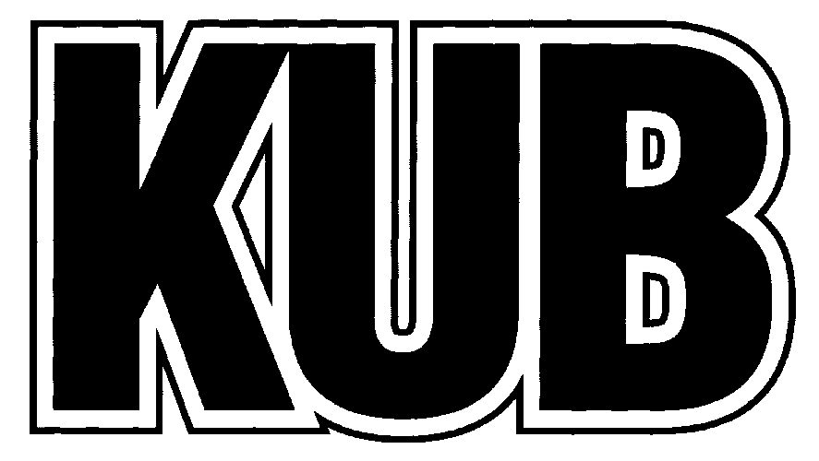
 | Knoxville Utilities Board - Bid Form

 | Email Bid to bids@kub.org
 |  |  |  | Dupont Level "A" Safety Suits, Control #1288
 |  |  |  | Due Date: May 29, 2018, at 10:00 AM, EDT
Line | Product Name/Description | Price | Quantity | Total
1 | DuPont Tychem 10000 Encapsulated Level A Suit. Model/Part #TK554TLY2X000100 Coveralls, Size 2XL, Expanded Back, Front Entry, Butyl Gloves (No substitutes) | $- | 6 | $-
2 | DuPont Tychem 10000 Encapsulated Level A Suit. Model/Part #TK554TLY3X000100 Coveralls, Size 3XL, Expanded Back, Front Entry, Butyl Gloves (No substitutes) | $- | 6 | $-
3 | DuPont Tychem 10000 Encapsulated Level A Suit. Model/Part #TK554TLY4X000100 Coveralls, Size 4XL, Expanded Back, Front Entry, Butyl Gloves (No substitutes) | $- | 4 | $-
NOTES: 1) Bidders must complete this bid form, sign the Terms and Conditions section, sign any Addendum Acknowledgement forms (if applicable), and email the bid documents to bids@kub.org. 2) KUB must have written notice of any conflicts, errors, or discrepancies which may be discovered in the Bidding Documents (48 hours prior to the bid opening), and they will be addressed in an addendum, if applicable. 3) Unit prices prevail. |  | TOTAL |  | $-

REQUIRED - Shipping: FOB Destination [KUB Hoskins Operations Center, 4505 Middlebrook Pike, Knoxville, TN 37921] - include shipping costs in unit prices
Business Ownership (Check all that apply): | MBE-certified (Requires 51% or greater ownership by African American, Hispanic American, Native American, Asian Pacific, Subcontinent Asian Americans (East Indian)

 | WBE-certified (Requires 51% or greater ownership by non-minority women.)

 | SBE-certified (A business, including its affiliates that and operated for profit, is not dominant in its field of operation and is not an affiliate or subsidiary of a business dominant in its field of operation.)

 | Not Applicable (None of the options above are applicable)

QUOTE BY:
SIGNATURE:
PRINT NAME
COMPANY:
ADDRESS:

PHONE #:
FAX #:
EMAIL:
DATE:

